COGS Breakdown
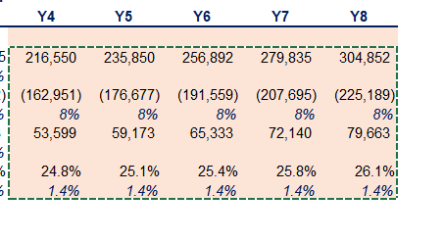
Stellar Growth Co
5-Y Budget

 | Actuals
in USD thousands | Y1 | Y2 | Y3

Revenue | 1,704,560 | 1,848,210 | 2,003,950
Revenue growth % |  | 8% | 8%
COGS - Payroll | (403,948) | (448,831) | (518,187)
COGS - Other | (874,439) | (937,319) | (984,723)
COGS growth % |  | 8% | 8%
Gross Profit | 426,173 | 462,060 | 501,040
growth % |  | 8.42% | 8.44%

